Algorithm
Implement an Algorithm in Excel

$$r_{1}= \frac{1}{2}\left(r_{0}+\frac{x}{r_{0}}\right)$$
Example 1
$$r_{2}= \frac{1}{2}\left(r_{1}+\frac{x}{r_{1}}\right)$$
Example 2
$$r_{i}= \frac{1}{2}\left(r_{i−1}+\frac{x}{r_{i−1}}\right)$$

1. Input a number. E.g., 100.

2. This algorithm requires an initial guess at the solution. Input a number. Initially, just input x. Later, experiment with different values.
 | x (input)

3. In cell D22, write a formula that implements the algorithm r_{i} = ½(r_{i – 1} + x / r_{i – 1}).
i (index number) | ri
0 | r0 (initial guess) | Formula text
1 | r1
2 | r2
3 | r3
4. Copy this formula down to cell D41 to implement the feedback loop. Take care with absolute vs. relative cell references ($ notation)!
4 | r4
5 | r5
6 | r6
7 | r7
8 | r8
9 | r9
10 | r10
11 | r11
12 | r12
13 | r13
14 | r14
15 | r15
16 | r16
17 | r17
18 | r18
19 | r19
20 | r20 (final output)

Convergence of algorithm
 | r_i | y range
r0 |  | 0
r1 |  | 0
r2
r3
r4
r5
r6
r7
r8
r9
r10
r11
r12
r13
r14
r15
r16
r17
r18
r19
r20

Formula help
Relative cell references

We can reference a cell value in an Excel formula by typing the address of that cell.

Click in cell D19 and type this formula:

=B18

TEST 1
TEST 2
TEST 3

Cell D19 now references the value of cell B18.

Note that the referencing cell does not need to be in the same row or column as the referenced cell.

Try changing the contents of cell B18. Notice that cell D19 updates to reflect the changes.

Copy (Ctrl + C) the entire cell D19 to the clipboard, then paste (Ctrl + V) to cells D20 and D21. Notice that the cell formula is different in the pasted cells.

Cell B18 is one cell above and two cells to the left of cell D19. The formula in cell D19 is "=B18".

The formula in cell D19 is "=B18". When we copied cell D19 down to D20, the formula in D20 was not "=B18", but instead became "=B19". The new formula continued to point to the address one cell above it and two cells to its left. This is known as a relative cell reference

A relative cell reference can be thought of as "relative driving directions" rather than an exact cell address. In the previous example, the driving directions are "up 1, left 2".

Follow the instructions below to observe the behaviour of relative cell references.

1. In cell E49, enter the formula: =E43
 |  |  | North-west | North | North-east
 |  |  | West | Central | East
 |  |  | South-west | South | South-east
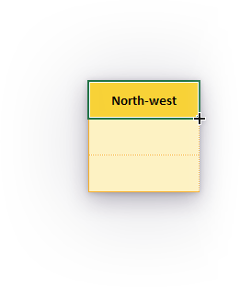
Click
&
drag

2. Copy the formula down to cell E45.

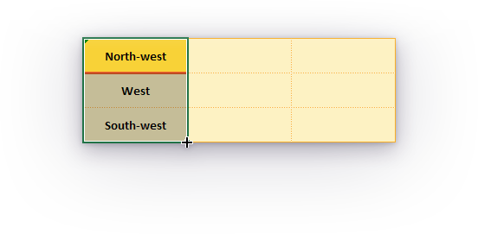
Click & drag

3. Copy the formula across to cell G45.

Absolute cell references

Excel gives us the option to lock a cell reference. A locked cell reference does not change when the formula cell is copied and pasted. This is called an absolute cell reference.

We can lock a cell reference by putting the $ symbol before the row, the column, or both.

=A1 | Relative column, relative row |  | Neither column A nor row 1 is locked
=$A1 | Absolute column, relative row |  | Column A is locked; row 1 is not locked
=A$1 | Relative column, absolute row |  | Column A is not locked; row 1 is locked
=$A$1 | Absolute column, absolute row |  | Both column A and row 1 are locked

Experiment with the four types of cell referencing in the space below.

For example, in cell B87, enter the formula "=E43" and copy that formula to the other 8 cells in the grid.

Before you copy each formula, predict what the output will look like.

=E43 |  |  |  | =$E43
Relative column, relative row |  |  |  | Absolute column, relative row

=E$43 |  |  |  | =$E$43
Relative column, absolute row |  |  |  | Absolute column, absolute row

Further reading

Switch between relative and absolute references (Microsoft.com)

Mathematical operators

In this activity, you will need to use mathematical operators in an Excel formula.

`+` performs addition

=number1 + number2

Formula |  | Output
=1 + 1 |  | 2
=1 + 2 + 3 + 4 |  | 10
=1 + 0.57 |  | 1.57
=D122 + 0.002 |  | 1.572
=D122 + D123 |  | 3.142

`-` performs subtraction or negation

=number1 - number2

=-number1

Formula |  | Output
=5 - 3 |  | 2
=10 - 5 - 3 - 2 |  | 0
=10 - D134 |  | 8
=-100 |  | -100
=-D137 |  | 100

`*` performs multiplication

=number1 * number2

Formula |  | Output
=5 * 7 |  | 35
=2 * 3 * 4 * 5 |  | 120
=D147 * 0.5 |  | 60
=D148 * D148 |  | 3600

`/` performs division

=number1 / number2

Formula |  | Output
=6 / 3 |  | 2
=1 / 100 |  | 0.01
=D157 / D158 |  | 200
=16 / 2 / 2 / 2 / 2 |  | 1

Brackets `(` and `)` are used to specify the order of operations

=(numeric_expression)

Formula |  | Output
=4 + 2 / 2 - 4 * 3 |  | -7
=(4 + 2) / 2 - 4 * 3 |  | -9
=4 + (2 / 2 - 4) * 3 |  | -5
=4 + 2 / (2 - 4) * 3 |  | 1

